Article List
 |  |  |  |  |  |  |  |  |  |  |  |  |  |  |  |  |  |  |  |  |  |  |  |  |  | Packaging Information |  |  |  |  |  |  |  |  |  |  |  | Purchasing |  |  |  |  |  |  |  |  |  |  |  |  |  |  |  |  |  |  |  |  |  |  |  |  |  |  |  |  |  |  |  |  |  |  |  |  |  |  |  |  |  |  |  |  | Sale |  |  |  |  |  |  |  |  |  |  |  |  |  |  |  |  |  |  |  |  |  |  |  |  |  |  |  |  |  |  |  |  |  |  |  |  |  |  |  |  |  |  |  |  |  |  |  |  |  |  |  |  |  |  |  |  |  |  |  |  |  |  |  |  |  |  | Header discounts and upcharges |  |  |  |  |  |  |  |  |  |  |  |  |  |  |  |  |  |  |  |  |  |  |  |  |  |  |  |  |  |  |  |  |  |  |  |  |  |  |  |  |  |  |  |  |  |  |  |  |  |  |  |  |  |  |  |  | Sum
Position | Image | Short Text | Long Text | Variant Text | Quote short text | Quote long text | Quote variant text | Special Model Information | Additional Text | Alternative | Optional | PseudoArticle | NonOrder | NonOffer | ID | Type | Article No. | External Item Number | Manufacturer ID | Manufacturer Name | Series ID | Series Name | OFML Variant Code | Internal Notes | Quantity | Width - MTR | Height - MTR | Depth - MTR | Volume- MTQ | Tare Weight - KGM | Net Weight - KGM | Total Volume - MTQ | Total Tare Weight - KGM | Total Net Weight - KGM | Items Per Pack Unit | Pack Units Per Article | Price Date | Base Price (Amount) | Currency | Base Price (Value) | Currency | Variant price | Purchase Price (Amount) | Currency | Purchase Price (Value) | Currency | Price (Gross) (Amount) | Currency | Price (Gross) (Value) | Currency | Percent markup (Amount) - % | Percent markup (Value) | Currency | Gross Value (Amount) | Currency | Gross Value (Value) | Currency | Percent discount (Amount) - % | Percent discount (Value) | Currency | Percent discount 2 (Amount) - % | Percent discount 2 (Value) | Currency | Percent discount 3 (Amount) - % | Percent discount 3 (Value) | Currency | Absolute discount (Amount) | Currency | Absolute discount (Value) | Currency | Absolute discount 2 (Amount) | Currency | Absolute discount 2 (Value) | Currency | Absolute discount 3 (Amount) | Currency | Absolute discount 3 (Value) | Currency | Purchase Price (Amount) | Currency | Purchase Price (Value) | Currency | Base Price (Amount) | Currency | Base Price (Value) | Currency | Variant price | Sales Price (Amount) | Currency | Sales Price (Value) | Currency | Sales Price (adjusted) (Amount) | Currency | Sales Price (adjusted) (Value) | Currency | Percent markup (Amount) - % | Percent markup (Value) | Currency | Upcharge (Amount) | Currency | Upcharge (Value) | Currency | Gross Value (Amount) | Currency | Gross Value (Value) | Currency | Percent discount 1 (Amount) - % | Percent discount 1 (Value) | Currency | Percent discount 2 (Amount) - % | Percent discount 2 (Value) | Currency | Percent discount 3 (Amount) - % | Percent discount 3 (Value) | Currency | Percent discount 4 (Amount) - % | Percent discount 4 (Value) | Currency | Percent discount 5 (Amount) - % | Percent discount 5 (Value) | Currency | Absolute discount 1 (Amount) | Currency | Absolute discount 1 (Value) | Currency | Absolute discount 2 (Amount) | Currency | Absolute discount 2 (Value) | Currency | Absolute discount 3 (Amount) | Currency | Absolute discount 3 (Value) | Currency | Absolute discount 4 (Amount) | Currency | Absolute discount 4 (Value) | Currency | Absolute discount 5 (Amount) | Currency | Absolute discount 5 (Value) | Currency | Discount Amount (Amount) | Currency | Discount Amount (Value) | Currency | Net Value for Item (Amount) | Currency | Net Value for Item (Value) | Currency | Percent discount 1 (Amount) - % | Percent discount 1 (Value) | Currency | Percent discount 2 (Amount) - % | Percent discount 2 (Value) | Currency | Percent discount 3 (Amount) - % | Percent discount 3 (Value) | Currency | Percent discount 4 (Amount) - % | Percent discount 4 (Value) | Currency | Absolute discount 1 (Amount) | Currency | Absolute discount 1 (Value) | Currency | Absolute discount 2 (Amount) | Currency | Absolute discount 2 (Value) | Currency | Absolute discount 3 (Amount) | Currency | Absolute discount 3 (Value) | Currency | Absolute discount 4 (Amount) | Currency | Absolute discount 4 (Value) | Currency | Net Value (Amount) | Currency | Net Value (Value) | Currency | ECO-Contribution (Amount) | Currency | ECO-Contribution (Value) | Currency | Net Value Incl ECO-Contribution (Amount) | Currency | Net Value Incl ECO-Contribution (Value) | Currency | Value Added Tax (Amount) - % | Value Added Tax (Value) | Currency | Combined Sales Tax (Amount) - % | Combined Sales Tax (Value) | Currency | Goods and Services Tax (Amount) - % | Goods and Services Tax (Value) | Currency | Rounding Off (Amount) | Currency | Rounding Off (Value) | Currency | Total (Amount) | Currency | Total (Value) | Currency | Purchase Price (Amount) | Currency | Purchase Price (Value) | Currency | Net Value (Amount) | Currency | Net Value (Value) | Currency | Margin (Amount) | Currency | Margin (Value) | Currency | Margin % (Amount) - % | Margin % (Value) | Currency
1 | 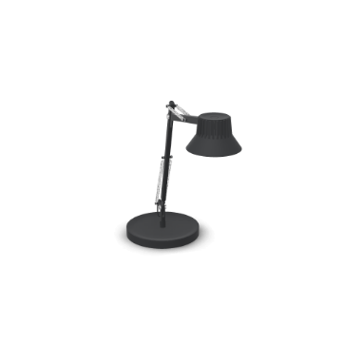 | DEDICATE TABLE LAMP / S2 | DEDICATE TABLE LAMP / S2 Black Stock version (EU) Material: lamp head and hinges in die-casted aluminum, and lamp arms in extruded aluminum. All powder coated. Diffuser in injection molded plastic. Table base in machined steel. Clamp in die-casted aluminum and screw in stainless steel—pin in machined steel screw and fixing nut. ? Integrated dimmable LED light source. Lumen: 750lm on 100% brightness. Lumen Maintenance (80%) : 35.000h. Kelvin: 3000K. CRI >90. The lamp comes with a built-in 8-hour timer. Measurements: H 37,6 W: 38,9 cm | Light Option: Off |  |  |  |  |  | false | false | false | false | false | 4650b054-092f-47c7-bca6-293cbc391b32 | Article | 14380 |  | MUUTO | MUUTO A/S | MUUTO |  | GraphicLampLight.LampLightOption=Off |  | 1.0 |  |  |  |  |  |  |  |  |  |  |  |  | 0.00 | EUR | 0.00 | EUR |  | 0.00 | EUR | 0.00 | EUR |  |  |  |  |  |  |  | 0.00 | EUR | 0.00 | EUR |  |  |  |  |  |  |  |  |  |  |  |  |  |  |  |  |  |  |  |  |  | 0.00 | EUR | 0.00 | EUR | 0.00 | EUR | 0.00 | EUR |  | 0.00 | EUR | 0.00 | EUR |  |  |  |  |  |  |  |  |  |  |  | 0.00 | EUR | 0.00 | EUR |  |  |  |  |  |  |  |  |  |  |  |  |  |  |  |  |  |  |  |  |  |  |  |  |  |  |  |  |  |  |  |  |  |  |  | 0.00 |  | 0.00 |  | 0.00 | EUR | 0.00 | EUR |  |  |  |  |  |  |  |  |  |  |  |  |  |  |  |  |  |  |  |  |  |  |  |  |  |  |  |  | 0.00 | EUR | 0.00 | EUR |  |  |  |  | 0.00 | EUR | 0.00 | EUR | 0.00 | 0.00 | EUR |  |  |  |  |  |  |  |  |  |  | 0.00 | EUR | 0.00 | EUR | 0.00 | EUR | 0.00 | EUR | 0.00 | EUR | 0.00 | EUR | 0.00 | EUR | 0.00 | EUR |  | 0.00 | EUR
2 | 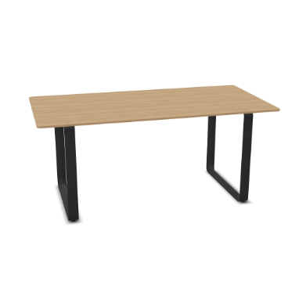 | 70/70 TABLE / 170 X 85 CM | 70/70 TABLE / 170 X 85 CM / 67 X 33.5" Solid Oak/Anthracite Black Tabletop in Solid Oak. Frame in cast aluminum. Stock Version (EU) Height: 73 cm / 28.75" |  |  |  |  |  |  | false | false | false | false | false | c968d713-4c6a-4cdc-84f8-cb09ef044086 | Article | 65157 |  | MUUTO | MUUTO A/S | MUUTO |  |  |  | 1.0 |  |  |  |  |  |  |  |  |  |  |  |  | 0.00 | EUR | 0.00 | EUR |  | 0.00 | EUR | 0.00 | EUR |  |  |  |  |  |  |  | 0.00 | EUR | 0.00 | EUR |  |  |  |  |  |  |  |  |  |  |  |  |  |  |  |  |  |  |  |  |  | 0.00 | EUR | 0.00 | EUR | 0.00 | EUR | 0.00 | EUR |  | 0.00 | EUR | 0.00 | EUR |  |  |  |  |  |  |  |  |  |  |  | 0.00 | EUR | 0.00 | EUR |  |  |  |  |  |  |  |  |  |  |  |  |  |  |  |  |  |  |  |  |  |  |  |  |  |  |  |  |  |  |  |  |  |  |  | 0.00 |  | 0.00 |  | 0.00 | EUR | 0.00 | EUR |  |  |  |  |  |  |  |  |  |  |  |  |  |  |  |  |  |  |  |  |  |  |  |  |  |  |  |  | 0.00 | EUR | 0.00 | EUR |  |  |  |  | 0.00 | EUR | 0.00 | EUR | 0.00 | 0.00 | EUR |  |  |  |  |  |  |  |  |  |  | 0.00 | EUR | 0.00 | EUR | 0.00 | EUR | 0.00 | EUR | 0.00 | EUR | 0.00 | EUR | 0.00 | EUR | 0.00 | EUR |  | 0.00 | EUR
3 | 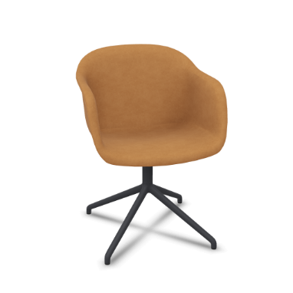 | FIBER ARMCHAIR / SWIVEL BASE W.O. RETURN | FIBER ARMCHAIR / SWIVEL BASE W.O. RETURN / TEXTILE SHELL Refine Leather Cognac/Anthracite Black Material: Shell in plastic composition with up to 25% wood fibers. Swivel base in aluminum. Stock Version (EU) Measurements: H: 76,5 SH: 46 W: 54,5 D: 55 Option of premounted felt glides upon request for orders above 50 chairs. | Base Color: Anthracite Black Refine Leather: 250/COGN/Cognac |  |  |  |  |  | false | false | false | false | false | b3fc01e9-ebdc-4893-be2e-5d610861d38d | Article | 23450-BLCK_COGN |  | MUUTO | MUUTO A/S | MUUTO |  | ChairFrameColor.ColorFrameMade=ANTHRACITE;FabricSilk.FabricSilk=COGN |  | 1.0 |  |  |  |  |  |  |  |  |  |  |  |  | 0.00 | EUR | 0.00 | EUR |  | 0.00 | EUR | 0.00 | EUR |  |  |  |  |  |  |  | 0.00 | EUR | 0.00 | EUR |  |  |  |  |  |  |  |  |  |  |  |  |  |  |  |  |  |  |  |  |  | 0.00 | EUR | 0.00 | EUR | 0.00 | EUR | 0.00 | EUR |  | 0.00 | EUR | 0.00 | EUR |  |  |  |  |  |  |  |  |  |  |  | 0.00 | EUR | 0.00 | EUR |  |  |  |  |  |  |  |  |  |  |  |  |  |  |  |  |  |  |  |  |  |  |  |  |  |  |  |  |  |  |  |  |  |  |  | 0.00 |  | 0.00 |  | 0.00 | EUR | 0.00 | EUR |  |  |  |  |  |  |  |  |  |  |  |  |  |  |  |  |  |  |  |  |  |  |  |  |  |  |  |  | 0.00 | EUR | 0.00 | EUR |  |  |  |  | 0.00 | EUR | 0.00 | EUR | 0.00 | 0.00 | EUR |  |  |  |  |  |  |  |  |  |  | 0.00 | EUR | 0.00 | EUR | 0.00 | EUR | 0.00 | EUR | 0.00 | EUR | 0.00 | EUR | 0.00 | EUR | 0.00 | EUR |  | 0.00 | EUR
4 | 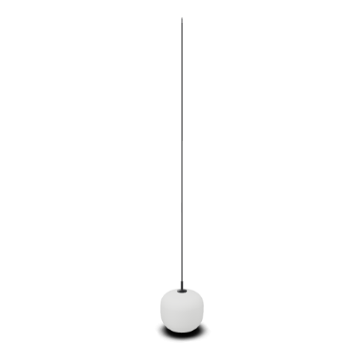 | RIME PENDANT LAMP / Ø 25 | RIME PENDANT LAMP / Ø 25 CM Black Material: Mouthblown glass shade with an aluminum top. Ceiling cap included. Cord Length: 400 cm / 157.5” Measurements: Ø25 H30 cm | Light Option: Off |  |  |  |  |  | false | false | false | false | false | afae0981-03e6-4a05-a56b-f491668a0e6f | Article | 22415 |  | MUUTO | MUUTO A/S | MUUTO |  | GraphicLampLight.LampLightOption=Off |  | 1.0 |  |  |  |  |  |  |  |  |  |  |  |  | 0.00 | EUR | 0.00 | EUR |  | 0.00 | EUR | 0.00 | EUR |  |  |  |  |  |  |  | 0.00 | EUR | 0.00 | EUR |  |  |  |  |  |  |  |  |  |  |  |  |  |  |  |  |  |  |  |  |  | 0.00 | EUR | 0.00 | EUR | 0.00 | EUR | 0.00 | EUR |  | 0.00 | EUR | 0.00 | EUR |  |  |  |  |  |  |  |  |  |  |  | 0.00 | EUR | 0.00 | EUR |  |  |  |  |  |  |  |  |  |  |  |  |  |  |  |  |  |  |  |  |  |  |  |  |  |  |  |  |  |  |  |  |  |  |  | 0.00 |  | 0.00 |  | 0.00 | EUR | 0.00 | EUR |  |  |  |  |  |  |  |  |  |  |  |  |  |  |  |  |  |  |  |  |  |  |  |  |  |  |  |  | 0.00 | EUR | 0.00 | EUR |  |  |  |  | 0.00 | EUR | 0.00 | EUR | 0.00 | 0.00 | EUR |  |  |  |  |  |  |  |  |  |  | 0.00 | EUR | 0.00 | EUR | 0.00 | EUR | 0.00 | EUR | 0.00 | EUR | 0.00 | EUR | 0.00 | EUR | 0.00 | EUR |  | 0.00 | EUR
5 | 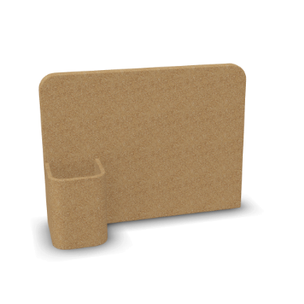 | STORY PINBOARD | Story Pinboard Cork Stock version (EU) Measurements: H: 21,7 D: 9 W: 28,5 cm |  |  |  |  |  |  | false | false | false | false | false | 9759d356-f813-4e77-892e-bc3d6e8510c1 | Article | 12380 |  | MUUTO | MUUTO A/S | MUUTO |  |  |  | 1.0 |  |  |  |  |  |  |  |  |  |  |  |  | 0.00 | EUR | 0.00 | EUR |  | 0.00 | EUR | 0.00 | EUR |  |  |  |  |  |  |  | 0.00 | EUR | 0.00 | EUR |  |  |  |  |  |  |  |  |  |  |  |  |  |  |  |  |  |  |  |  |  | 0.00 | EUR | 0.00 | EUR | 0.00 | EUR | 0.00 | EUR |  | 0.00 | EUR | 0.00 | EUR |  |  |  |  |  |  |  |  |  |  |  | 0.00 | EUR | 0.00 | EUR |  |  |  |  |  |  |  |  |  |  |  |  |  |  |  |  |  |  |  |  |  |  |  |  |  |  |  |  |  |  |  |  |  |  |  | 0.00 |  | 0.00 |  | 0.00 | EUR | 0.00 | EUR |  |  |  |  |  |  |  |  |  |  |  |  |  |  |  |  |  |  |  |  |  |  |  |  |  |  |  |  | 0.00 | EUR | 0.00 | EUR |  |  |  |  | 0.00 | EUR | 0.00 | EUR | 0.00 | 0.00 | EUR |  |  |  |  |  |  |  |  |  |  | 0.00 | EUR | 0.00 | EUR | 0.00 | EUR | 0.00 | EUR | 0.00 | EUR | 0.00 | EUR | 0.00 | EUR | 0.00 | EUR |  | 0.00 | EUR
6 | 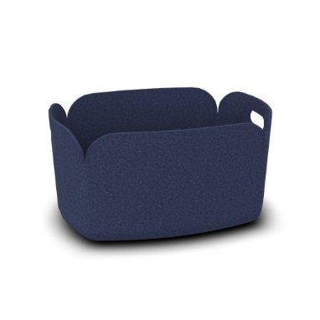 | RESTORE BASKET | RESTORE BASKET / 48 x 35 CM Midnight Blue Material: Polymer felt Stock version (EU) Measurements: W: 35 L: 48 H: 23 | FabricFelt: Midnight Blue |  |  |  |  |  | false | false | false | false | false | 7857f0e2-5f14-4436-9385-f9c5740596af | Article | 07006 |  | MUUTO | MUUTO A/S | MUUTO |  | ColorRestore.FabricFelt=MidnightBlue |  | 1.0 |  |  |  |  |  |  |  |  |  |  |  |  | 0.00 | EUR | 0.00 | EUR |  | 0.00 | EUR | 0.00 | EUR |  |  |  |  |  |  |  | 0.00 | EUR | 0.00 | EUR |  |  |  |  |  |  |  |  |  |  |  |  |  |  |  |  |  |  |  |  |  | 0.00 | EUR | 0.00 | EUR | 0.00 | EUR | 0.00 | EUR |  | 0.00 | EUR | 0.00 | EUR |  |  |  |  |  |  |  |  |  |  |  | 0.00 | EUR | 0.00 | EUR |  |  |  |  |  |  |  |  |  |  |  |  |  |  |  |  |  |  |  |  |  |  |  |  |  |  |  |  |  |  |  |  |  |  |  | 0.00 |  | 0.00 |  | 0.00 | EUR | 0.00 | EUR |  |  |  |  |  |  |  |  |  |  |  |  |  |  |  |  |  |  |  |  |  |  |  |  |  |  |  |  | 0.00 | EUR | 0.00 | EUR |  |  |  |  | 0.00 | EUR | 0.00 | EUR | 0.00 | 0.00 | EUR |  |  |  |  |  |  |  |  |  |  | 0.00 | EUR | 0.00 | EUR | 0.00 | EUR | 0.00 | EUR | 0.00 | EUR | 0.00 | EUR | 0.00 | EUR | 0.00 | EUR |  | 0.00 | EUR
7 | 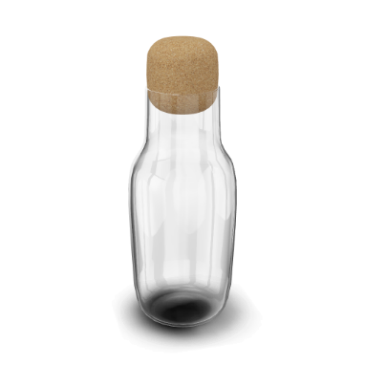 | CORKY / CARAFE | CORKY / CARAFE Color: Clear / Cork Material: Glass & granulated cork Stock version (EU) Measurements: Ø: 9 H: 22,1 |  |  |  |  |  |  | false | false | false | false | false | 8f035bcd-1a16-4d5e-bb47-99933d02d01e | Article | 10051 |  | MUUTO | MUUTO A/S | MUUTO |  |  |  | 1.0 |  |  |  |  |  |  |  |  |  |  |  |  | 0.00 | EUR | 0.00 | EUR |  | 0.00 | EUR | 0.00 | EUR |  |  |  |  |  |  |  | 0.00 | EUR | 0.00 | EUR |  |  |  |  |  |  |  |  |  |  |  |  |  |  |  |  |  |  |  |  |  | 0.00 | EUR | 0.00 | EUR | 0.00 | EUR | 0.00 | EUR |  | 0.00 | EUR | 0.00 | EUR |  |  |  |  |  |  |  |  |  |  |  | 0.00 | EUR | 0.00 | EUR |  |  |  |  |  |  |  |  |  |  |  |  |  |  |  |  |  |  |  |  |  |  |  |  |  |  |  |  |  |  |  |  |  |  |  | 0.00 |  | 0.00 |  | 0.00 | EUR | 0.00 | EUR |  |  |  |  |  |  |  |  |  |  |  |  |  |  |  |  |  |  |  |  |  |  |  |  |  |  |  |  | 0.00 | EUR | 0.00 | EUR |  |  |  |  | 0.00 | EUR | 0.00 | EUR | 0.00 | 0.00 | EUR |  |  |  |  |  |  |  |  |  |  | 0.00 | EUR | 0.00 | EUR | 0.00 | EUR | 0.00 | EUR | 0.00 | EUR | 0.00 | EUR | 0.00 | EUR | 0.00 | EUR |  | 0.00 | EUR

